Property values
Company Name | Industry | Company ID | Location ID | Country | ISO3 | Location | Distribution | Latitude | Longitude | Value (US$ billion)
Globe Pharma | Pharmaceutical manufacturing | 1 | 11 | United States | USA | South Carolina | Global | 33.8522 | -83.3918 | 0.45
Globe Pharma | Pharmaceutical manufacturing | 1 | 12 | United States | USA | South Carolina | Global | 33.6925 | -80.2388 | 1.8 | could also distinguish by types: fabrication plant, research, offices etc.
Globe Pharma | Pharmaceutical manufacturing | 1 | 13 | United States | USA | Florida | Global | 29.8131 | -82.2863 | 0.65
Globe Pharma | Pharmaceutical manufacturing | 1 | 14 | Mexico | MEX | Puebla | Global | 18.8815 | -98.382 | 0.9 | Note: Value is a low estimate here based on the reported cost for construction, the actual asset value is probably much higher
Globe Pharma | Pharmaceutical manufacturing | 1 | 15 | Brazil | BRA | Rio de Janeiro | Global | -22.3102 | -42.5884 | 0.75
Globe Pharma | Pharmaceutical manufacturing | 1 | 16 | Ireland | IRL | Meath | Global | 53.5133 | -6.3871 | 0.3 | I used Pfizer's gross property, plant & equipment values as reference (1 USD billion per site on average): https://www.wsj.com/market-data/quotes/PFE/financials/annual/balance-sheet
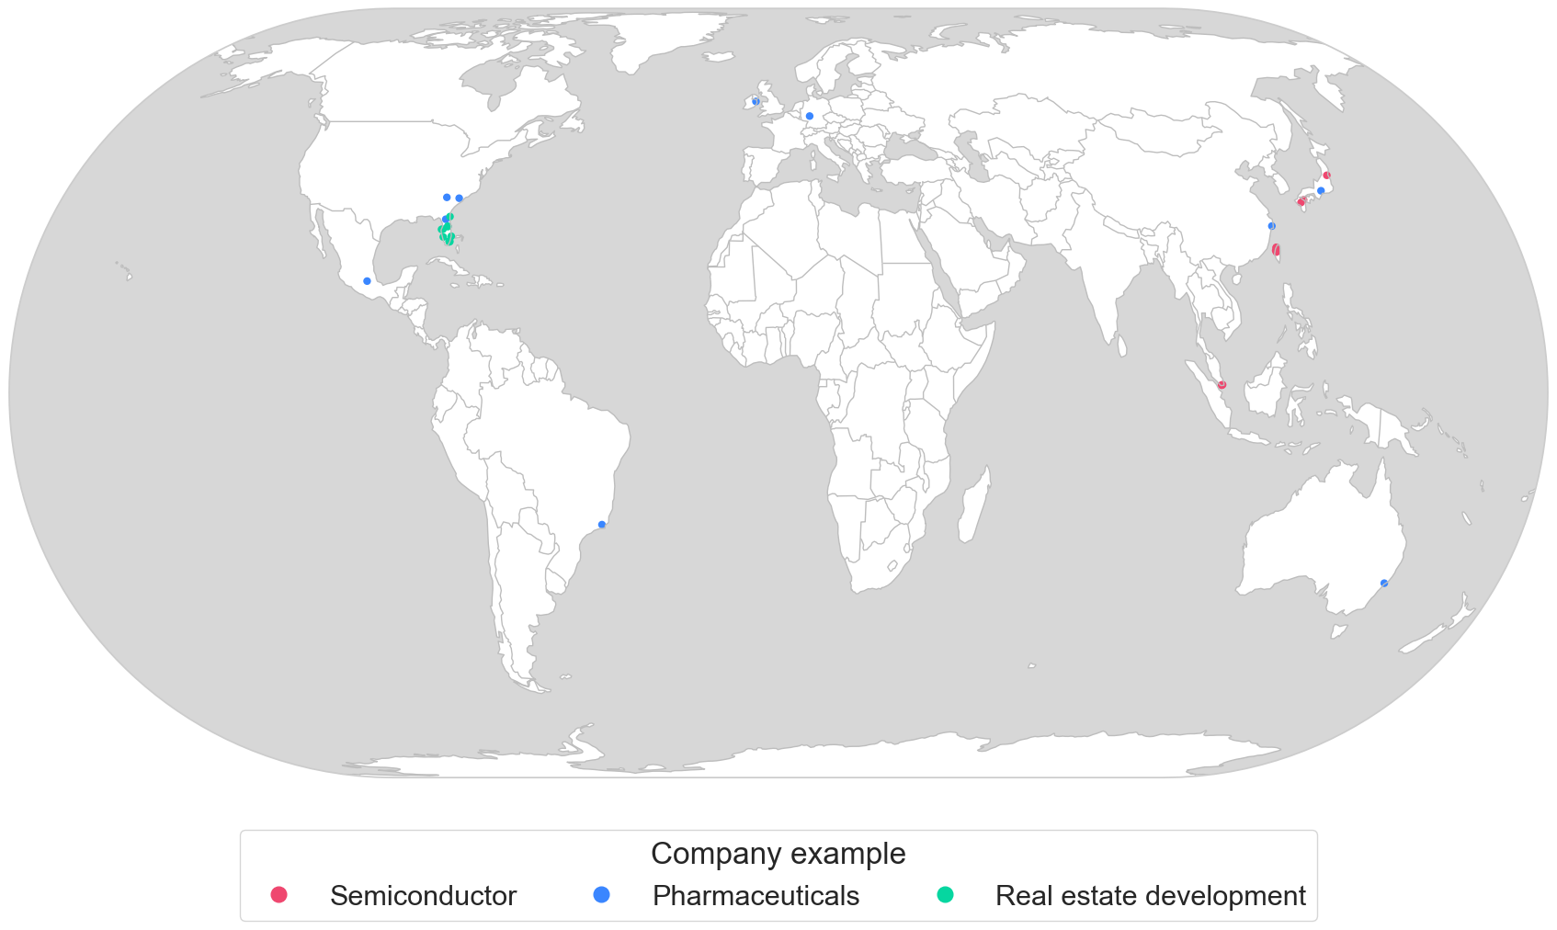
Globe Pharma | Pharmaceutical manufacturing | 1 | 17 | Germany | DEU | Hessen | Global | 50.2071 | 8.608 | 1.65
Globe Pharma | Pharmaceutical manufacturing | 1 | 18 | China | CHN | Zhejiang | Global | 28.5817 | 121.4557 | 1.3
Globe Pharma | Pharmaceutical manufacturing | 1 | 19 | Japan | JPN | Aichi | Global | 35.0914 | 137.1833 | 1.5
Globe Pharma | Pharmaceutical manufacturing | 1 | 20 | Australia | AUS | New South Wales | Global | -32.8341 | 151.6556 | 0.7
NWP SEMICON | Semiconductor manufacturing | 2 | 1 | Singapore | SGP | Jurong East | Regional | 1.3142 | 103.7199 | 0.8
NWP SEMICON | Semiconductor manufacturing | 2 | 2 | Singapore | SGP | Jurong West | Regional | 1.3238 | 103.7061 | 1.3
NWP SEMICON | Semiconductor manufacturing | 2 | 3 | Singapore | SGP | Tampines | Regional | 1.3791 | 103.9208 | 3.8
NWP SEMICON | Semiconductor manufacturing | 2 | 4 | Taiwan | TWN | Hsinchu | Regional | 24.7825 | 121.0063 | 1.35
NWP SEMICON | Semiconductor manufacturing | 2 | 5 | Taiwan | TWN | Hsinchu | Regional | 24.7082 | 120.9221 | 9.8
NWP SEMICON | Semiconductor manufacturing | 2 | 6 | Taiwan | TWN | Taichung | Regional | 24.2103 | 120.6195 | 4.85
NWP SEMICON | Semiconductor manufacturing | 2 | 7 | Taiwan | TWN | Taichung | Regional | 23.9372 | 120.6978 | 5.6
NWP SEMICON | Semiconductor manufacturing | 2 | 8 | Japan | JPN | Oita | Regional | 33.3942 | 131.7805 | 1.5
NWP SEMICON | Semiconductor manufacturing | 2 | 9 | Japan | JPN | Miyagi | Regional | 38.0405 | 140.6442 | 1.25
NWP SEMICON | Semiconductor manufacturing | 2 | 10 | Japan | JPN | Kumamoto | Regional | 32.8892 | 130.8448 | 3.8
FRED | Real estate | 3 | 21 | United States | USA | Florida | Local | 25.8111 | -80.1266 | 0.016
FRED | Real estate | 3 | 22 | United States | USA | Florida | Local | 25.7456 | -80.2712 | 0.02
FRED | Real estate | 3 | 23 | United States | USA | Florida | Local | 25.888 | -80.3289 | 0.012
FRED | Real estate | 3 | 24 | United States | USA | Florida | Local | 26.7474 | -80.0374 | 0.003
FRED | Real estate | 3 | 25 | United States | USA | Florida | Local | 26.6166 | -81.9489 | 0.005
FRED | Real estate | 3 | 26 | United States | USA | Florida | Local | 27.983 | -82.7747 | 0.004
FRED | Real estate | 3 | 27 | United States | USA | Florida | Local | 28.0061 | -82.4376 | 0.012
FRED | Real estate | 3 | 28 | United States | USA | Florida | Local | 28.5491 | -81.3905 | 0.007
FRED | Real estate | 3 | 29 | United States | USA | Florida | Local | 28.4952 | -81.373 | 0.014
FRED | Real estate | 3 | 30 | United States | USA | Florida | Local | 30.3005 | -81.3996 | 0.016

 |  |  |  |  |  |  |  |  |  |  | Could be a interesting case, good data on the wind damages, loss of electricity production, and locations. Potentially could add electric lines.
 |  |  |  |  |  |  |  |  |  |  | https://en.wikipedia.org/wiki/List_of_offshore_wind_farms

 |  |  |  |  |  |  |  |  |  |  | Windparks | UK, US, CN, TW

